1. Title Page
[Instacart Grocery Basket Analysis]

Project Name: Instacart Grocery Basket Analysis
Date: March 2025
Analyst Name: Eric Tam

Contents:
Population Flow
Consistency checks
Wrangling steps
Column derivations
Visualizations
Recommendations

Data Citation: “The Instacart Online Grocery Shopping Dataset 2017”, Accessed from www.instacart.com/datasets/grocery-shopping-2017 via Kaggle on [date].
In this data set, the "prices" column was fabricated for this analysis due to a learning exercise

2. Population Flow
Title page

Population flow

Exclusion flag
Condition: max_order <
Obervations to be removed:
Final total count of order_products_all:

Orders_products_combined
Ords_prods_merged
customer_ords_prods

Total: 3,243,489
Total: 3,243,489
Total 3,243,489

1.) The grey boxes in the first row of the population flow represent the original data sets as they were when you downloaded them. In the Total fields you need to add the count of the rows when you imported the data set into Jupyter.
2.) The second row of boxes (coloured) represents the data sets after you manipulated them, e.g., removed missing values and duplicates. In the Total fields you need to add the count of the rows after conducting these operations. This offers a visual oveview of how the data flows throughout the data consistency checks.
3.) The third row, where also the arrows are coloured, represents the merges you performed between the datasets. In the Total fields you need to add the count of the rows in the merged datasets, so that you end up with the final dataset (in the red box). Keep in mind the final dataset should be without exclusions (based on the exclusion flag).

3. Consistency checks
 |  |  |  | Title page
Consistency checks

Dataset | Missing values | Missing values treatment | Duplicates
Orders | days_since_prior_order column: 206,209 missing values | Imputated based off the mean value of the data | 0 Duplicate Values found
Products | product_name column: 16 missing values | Not possible to imputate data (Removed it) | 5 Duplicates Deleted
Orders_products_prior | 0 missing values | NA | None found
Customers | 0 missing values | NA | None found

4. Wrangling steps
 |  |  |  | Title page
Wrangling steps

Columns dropped | Columns renamed | Columns' type changed | Comment/Reason

eval_set |  |  | Column was not necessary for data. Saves CPU memory throughout analysis going forward
_merge
 | orders_dow to orders_day_of_week |  | easier to interpret
 | order_hour_of_day to order_time_hour_of_day |  | Allows more intuition to understand the variable reflected time of day
 | income : Income |  | Looks better
 | n_dependants : Number of Dependents |  | For better undertanding
 |  | order_id: int64 to string | To string
 |  | user_id: int64 to string | Should be a string
 |  | order_number: int64 to string | Use as a string; statistics offer no value.

5. Column derivations
 |  |  |  | Title page

Column derivations and aggregations

In this tab you should add tables below that the frequences of flags/label variables that you produced after deriving them. NB: don't do this for continuous variables, only for flags.
Dataset | New column | Column/s it was derived from | Conditions
ords_prods_merge | price_range_loc | prices | High_range product: >15 Mid-Range Product: >5 & <=15 Low-Range Product: <5
ords_prods_merge | Busiest_day | orders_days_of_week | orders_day_of_week = 0 or = 1, busiest_days= 'Busiest days' orders_day_of_week = 4 or = 3, busiest_days= 'Least busy' orders_day_of_week = else, busiest_days= 'Regularly busy'
ords_prods_merge | busiest_period_of_day | order_time_hour_of_day | Most orders: [10, 11, 14, 15, 13, 12, 16, 9] Average orders: [17, 8, 18, 19, 20, 7, 21, 22] Fewest orders: [23, 6, 0, 1, 5, 2, 4, 3]
ords_prods_merge | max_order | order_number | Max count of orders per user
ords_prods_merge | loyalty_flag | max_order | Loyal customer >=40 Regular customer >10 & <40 New customer <=10
ords_prods_merge | spender_type | Avg_spent | High Spender: =>10 Low Spender: <10
ords_prods_merge | frequency_flag | median_order_frequency | Frequent customer: <=10 Regular customer: >10 & <=20 Non-Frequent customer: >20
customer_ords_prods | activity_customer_level | max_order | Low-activity Customer: <5 orders High-activity Customer: >=5 orders
customer_ords_prods | age_group | Age | young_adult: <33 years adult: >=33 & <49 older_adult: >=49 &<65 senior: >=65
customer_ords_prods | Income_bracket | Income | Low Income Customer: <96608 Middle Income Customer: >=96608 & < 127876 High Income Customer: >=127876
customer_ords_prods | parent_status | number_dependants | Single: = <1dependents Parent:= >=1 dependents
customer_ords_prods | department_name | department | 1: frozen 2: other 3: bakery 4: produce 5: alcohol 6: international 7: beverages 8: pets 9: dry goods pasta 10: bulk 11: personal care 12: meat seafood 13: pantry 14: breakfast 15: canned goods 16: dairy eggs 17: household 18: babies 19: snacks 20: deli 21: missing
customer_ords_prods | day_of_week | orders_day_of_week | 0: Saturday 1: Sunday 2: Monday 3: Tuesday 4: Wednesday 5: Thursday 6: Friday

6. Visualizations
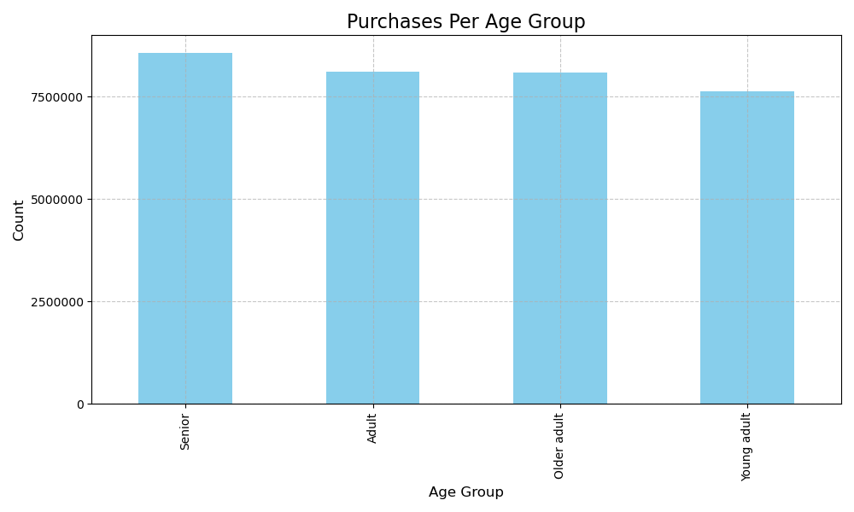
 |  | Title page

Visualisations

In this tab you should include all the visualtions from Exercises 4.9 and 4.10, alongside the questions from the project brief that they answer. Include any commentary on the relationship between different variables.

1. What are the busiest days of the week and hours of the day?
The highest volume of orders occurs on Saturday and Sunday. In contrast, the lowest order counts are seen on Wednesday and Tuesday. Additionally, the peak ordering times fall within standard business hours, particularly from 8 a.m. to 4 p.m.

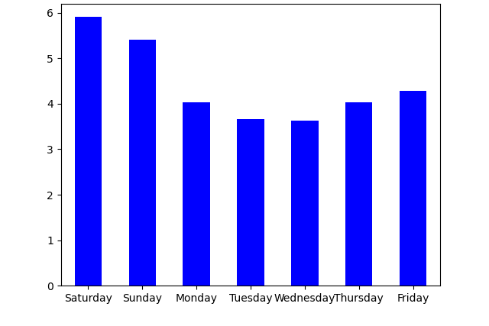

2. Are there particular times of the day when people spend the most money?
Most spending happens between 9 a.m. and 5 p.m., matching peak order times. The lowest spending occurs around 2–4 a.m., making 3 a.m. ideal for site maintenance. Ads perform best between 10 a.m. and 4 p.m.

3. What’s the distribution among users in regards to their brand loyalty (i.e., how often do they return to Instacart)?

 | Most customers are regulars, followed by loyal ones. New customers form the smallest group but have potential to become loyal. Targeted promotions can boost loyalty among new users, while rewards for loyal customers—shared on social media—can strengthen retention and inspire others.

4. Are there differences in spending habits based on a customer’s region?
Across all regions, most customers are low spenders. The South has the most high spenders, but also the most low spenders. High spending isn't tied to any specific U.S. region.
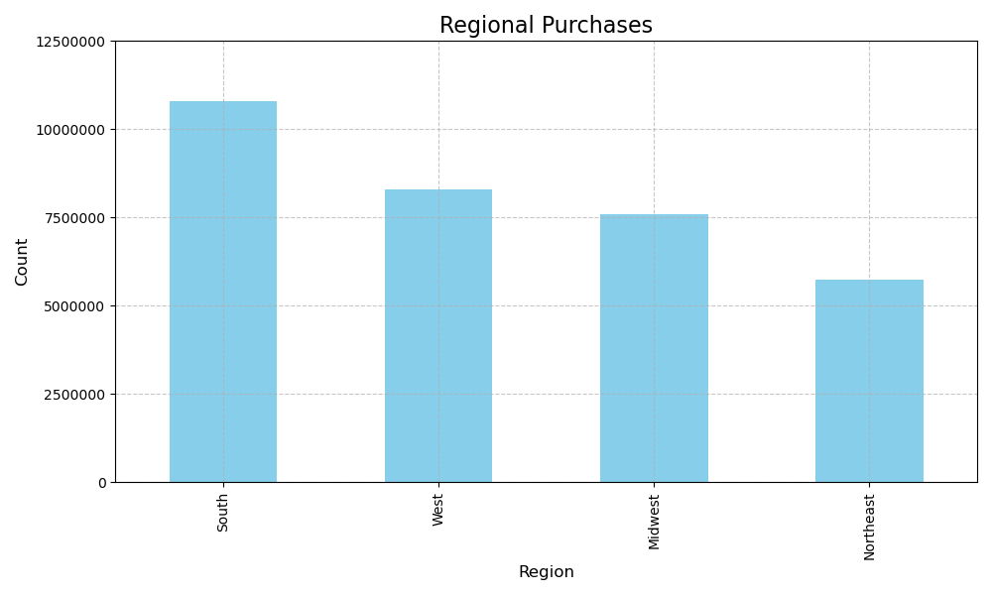

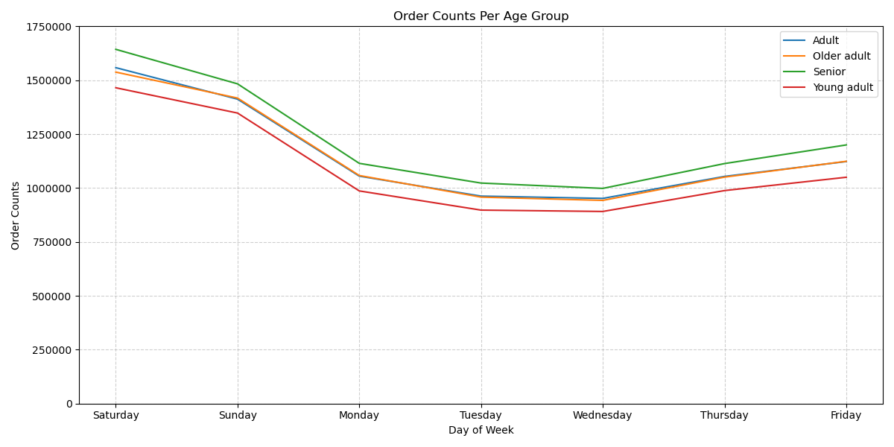
5. Is age related to spending potential?
The bar chart for average income by age group shows young adults and adults tend to have lower income than middle-aged and senior customers.

7. Recommendations
 |  |  | Title page

Recommendations

In this tab you should include any recommendations you would made to Instcart in terms of their marketing strategy based on the questions posed in the brief. Every key question has been covered in the Tasks of the Exercises - here you need to add an item - a visualisation or table/crosstable that is showing the answer in the data, acompanied by a comment from you. Please, list the questions below and add the answer underneath.

Questions | Answers | Recommendations/Insights
What are the busiest days of the week? | The busiest days of the week are Saturday and Sunday (Question 1 in Visualizations tab) | Saturday and Sundays are great days to continue marketing. However, due to the decline in sales throughout the middle of the week, the marketing department and focus their efforst on producing those sales instead in order to have a more rounded sales trajectory.
What are the busiest hours of the day? | The peak ordering times fall within standard business hours, particularly from 8 a.m. to 4 p.m. (Question 1 in Visualizations tab) | The similar two strategies can be used here. A "happy hour" special can be used to boost even more sales between 10 am to 4pm if the goal is to improve that time frame. However, as sales are found to dip down into the evening, the marketing department can focus in this time frame instead in order to build up a more rounded sales trajectory.
Which age group shows the highest mobility rate? | Individuals aged 25 to 34 account for approximately 45% of the total movements. | Develop targeted policies for employment and housing that meet the needs of this demographic.
What’s the distribution among users in terms of brand loyalty | Returning customers are most commonly found within middle-income and married demographics. (Question 3 in visualization tab) | o encourage engagement from higher-income customers, discounts on premium or high-end products could be introduced. This may increase the purchase frequency from affluent users while also tempting middle-income groups to occasionally buy premium items.
Are there differences in ordering habits based on customer region? | The Western and Southern regions show the highest sales across product categories | o stimulate growth in the other two regions, regional promotions could be introduced—available only to customers in those areas. This strategy could incentivize more frequent purchases. In some cases, pricing and regional lifestyle benefits may even influence residential migration decisions, making regionally targeted offers doubly effective.

